Sheet1
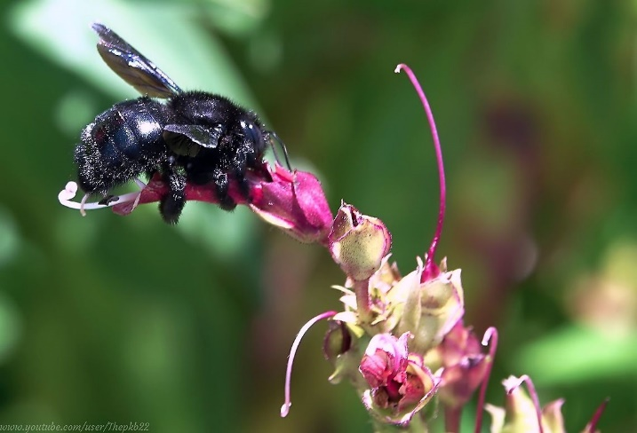
Bombus atratus is a black bumblebee that inhabits most of South America. Researchers of population studies and ecologists are interested in knowing what are the effects of the presence of a queen on the living conditions of a colony, specifically on the living conditions of worker bumblebees. After some studies, proportions of survivors g_x at the exact age x (in days) were obtained. The data is as follows: QRC represent a colony with a queen, QLC represents a colony without queen, and x is the age at the begining of the interval.

 | QRC
x | g_x |  | Remarks:
0-10 | 1.0000 | 1000 | 1. Notice that the last interval is open.
10-20 | 0.7165 | 717 | 2. Taking the interval length as a reference, researchers found that the lifespan of the bumblebees within each interval corresponded to the following fractions of its length:
20-30 | 0.2911 | 291 |  |  | A bumblebee Bombus atratus in the peruvian jungle.
30-40 | 0.1371 | 137 | QRC | QLC
40-50 | 0.0632 | 63 | 1/5 in the first interval | 1/5 in the first interval
50-60 | 0.0062 | 6 | 2/5 in the second interval | 2/5 in the second interval
60+ | 0.0020 | 2 | 3/5 in the third interval | 3/5 in the third interval
 |  |  | 1/2 in the fourth | 3/5 in the fourth
 |  |  | 1/2 in the fifth | 1/2 in the fifth
 |  |  | 2/5 in the sixth | 2/5 in the sixth
 | QLC |  | 3. As for the last interval, the average lifespan was 1.2 days for QRC, and 3.5 days for QLC.
x | g_x
0-10 | 1.0000
10-20 | 0.7046
20-30 | 0.4888
30-40 | 0.3031
40-50 | 0.1346
50-60 | 0.0531
60+ | 0.0104

1) Construct a life table for Bombus atratus for both, QRC and QLC.
2) Construct the survivors curve for QRC and QLC and make some comments on that.
3) Construct the Log 10 probabilities of death curve for both colonies. Make some comments.
4) Imagine that the column of survivors l_x is an actual living population with that population structure by age group.
Compare the population structure of both colonies by calculating some ageing indexes: % 40+, %50+, %60+
Which colony has an older population?
5) Consider the set of ASDRs and, by definition, calculate the CDR for both colonies. Interpret those CDRs expressed in deaths by 1000 bumblebees.
In principle, Where is mortality more intense?
Would you say it is fair to compare colonies' mortality just based on the CDRs? Explain your answer.
6) Make a CDR Type-1 standardization for both colonies. As a reference population structure, consider the average of both colonies' population structure.
Once obtained the CDR Type-1 standardization, give an interpretation and conclude with respect to what was obtained in 5)
Which colony has better life conditions, QRC or QLC?

Curva de supervivencia + Reina
 | l_x M
0-10 | 1000
10-20 | 717
20-30 | 291
30-40 | 137
40-50 | 63
50-60 | 6
60+ | 2

Curva de supervivencia - Reina
 | l_x M
0-10 | 1000
10-20 | 705
20-30 | 489
30-40 | 303
40-50 | 135
50-60 | 53
60+ | 10

